Introduction
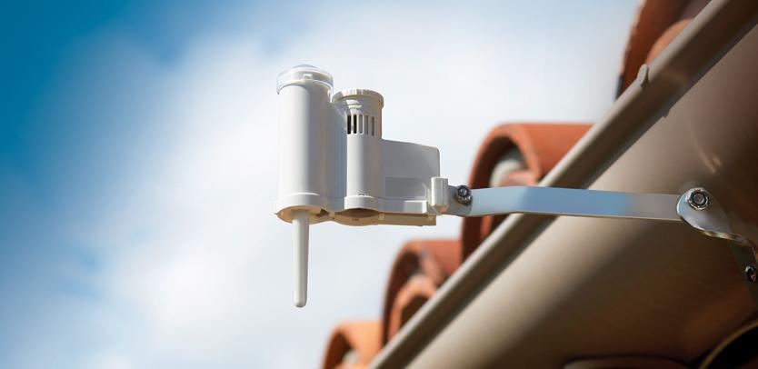

Solar Sync Savings Calculator
Introduction: Use of Evapotranspiration (ET) sensor-based irrigation control has the potential to conserve water when compared to standard irrigation control with no sensor input. The issue of attempting to quantify this savings to answer the question, “What is the efficiency of a weather-based irrigation controller?”, has significant challenges. There are many variables involved, including local weather, management practices at the project, types of plant material, irrigation emission devices, soil types, and slopes, to name a few.
Because water savings will vary throughout the year, as the weather changes, this calculator looks at the annual savings, and not just the mid-summer peak irrigation month. Typically there is only a minor savings during the hottest, driest month when using ET sensors, with more substantial savings found in other months of the year.
Intent: The calculator attempts to quantify the annual water savings potential for a project based on historical weather data, as well as assumptions on irrigation practices, plant types, sprinkler uniformity, and irrigation methods. The calculation is based on the comparison between standard irrigation control, without any sensor input, and weather-based control using ET sensor input.
Calculator Use: You may enter a project name and preparer name at the top of the sheet, for identification purposes.
Step 1: Choose your region based on the table found in the Solar Sync Manual. A copy of the page from the manual is available in this workbook, and can be accessed by selecting the tab at the bottom of the workbook, or by following the link on the worksheet.
Step 2: Enter the approximate square footage of turfgrass on the project in the first cell, and the total amount of other landscaped areas on the project in the second cell. The calculator contains assumptions based on the water requirements of various types of plant material to make the project data entry simpler.
Step 3: Check the boxes for each of the months that an irrigation controller would typically be used at the project location. The calculator assumes that the controller schedule would be input for the month of July, and that each month that is checked would run the July schedule. This is the baseline case used to calculate the potential water savings.
Steps 4 & 5: Consult the customer’s water bill to find out their water billing units (either in Hundred Cubic Feet—CCF, or in 1000 gallon increments), and the rate per each unit.
The calculator uses the input from these 5 steps to compare the standard controller water usage with the weather-based controller water usage. The output includes annual total water savings potential in gallons, percentage savings over the baseline, and the annual dollar savings.

Region Setting Table
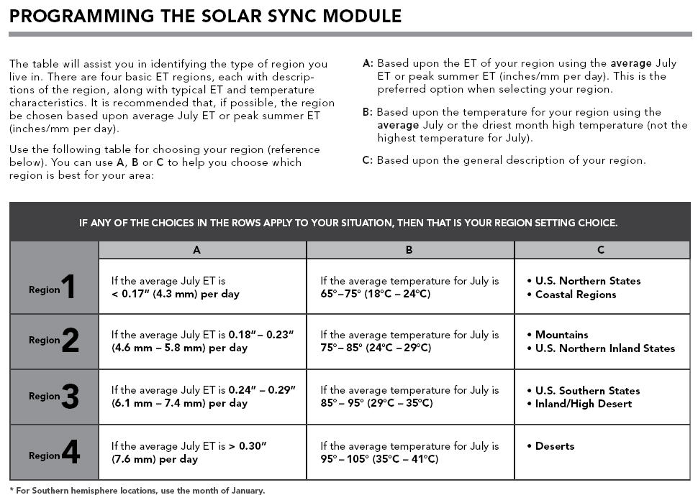
Return to the Calculator

